P&L USA
2020-06-01
 |  |  |  |  |  |  |  |  | FX update |  | ok |  |  | Health care | $82 | 26
Short term | monthly |  | Delta |  |  |  | $2,138 | Short term | Chase | Checkings | ok
Rent | $1,800 | 1,757.41 | $42.59 |  |  |  |  |  |  | Savings | ok
Utilities | $192 | 82.13 | $109.87 |  |  |  |  |  |  | Cartao de credito | ok
Cellphone | $120 | 85.29 | $34.71 |  |  |  |  |  | Capital One | Checkings | ok |  |  |  | 2019 | 2020
Food | $600 | 1,002.23 | -$402.23 |  |  |  |  |  |  | Savings | ok |  |  | Long | 2,550 | 6,875
Transportation | $210 | 0.00 | $210.00 |  |  |  |  |  | Pinnacle | Checkings | ok |  |  | Trip | 1,920 | 3,071
Leisure | $250 | 59.39 | $190.61 |  |  |  |  | Easy |  | Savings | ok
Health care | $178 | 122.16 | $56.00 |  |  |  |  |  | Nucont@ MN | Cartao de credito | ok
 |  |  |  |  |  |  |  |  | Nucont@ MN | Savings | ok
 |  |  |  |  |  |  |  |  | Nuconta EK | Savings | ok
TOTAL | $3,350 | 3,108.61 | $241.55 |  |  |  |  |  | 401k |  | ok
 |  |  |  |  |  |  |  |  | HSA |  | ok |  | 18
 | $1,675.08 |  |  |  |  |  |  |  | Pay stubs |  | ok |  | 250
 |  |  |  | 125 |  |  |  |  | Easynvest | Savings | ok |  | 10
HSA account will be treated as investment.
Any expense there will be payed by Mid-term that will reimburse Long Term Fund.
Ex.: 100 USD billed on HSA
100 USD added to Long Term Fund
100*(1-19%) will be charged on Health - Mid Term
 |  |  |  |  |  |  |  |  | LCL | Savings | ok |  | 30
 |  |  |  | 337.5 |  |  |  |  | Cash | NA | ok
 |  |  |  |  |  |  |  |  | Amazon |  | ok
 |  |  |  | 462.5
 |  |  |  | 0.064236111111
 |  |  |  |  |  |  | 1437 | -250
 |  |  |  |  |  |  |  |  |  |  |  | Losses
 |  |  |  |  | Pay stub | 1 | 2 | 3 | TOTAL
 |  |  |  |  | 401k | 180 | 180 |  | 360 |  |  | 401k | 6 | 2020 | 289.407 | USD |  | furniture | 10.97
 |  |  |  |  | HSA |  |  |  | 0 |  |  | Health care | 6 | 2020 | 108.238218 | USD |  |  |  | Supermarket | 4.41
 |  |  |  |  | Medical | 67.32 | 67.32 |  | 134.64 |  |  | Dental and Vision | 6 | 2020 | 13.923692333 | USD |  |  |  | Supermarket | 6
 |  |  |  |  | Dental | 4.54 | 4.54 |  | 9.08 |  |  | Metro | 6 | 2020 | 0 | USD |  |  |  | Supermarket | 4.2
 |  |  |  |  | Vision | 4.12 | 4.12 |  | 8.24 |  |  | HSA | 6 | 2020 | 0 | USD |  |  |  | Supermarket | 2.98
 |  |  |  |  | Commuter |  |  |  | 0 |  |  |  |  |  |  |  |  |  |  | Supermarket | 6.39
 |  |  |  |  | Fed | 273.2 | 273.2 |  | 546.4 |  |  | Profit |  |  |  |  |  | furniture | 19.99
 |  |  |  |  | Soc Sec | 219.62 | 219.62 |  | 439.24 |  |  |  |  |  |  |  |  | furniture | 19.99
 |  |  |  |  | Medicate | 51.36 | 51.36 |  | 102.72 |  |  | 401k | 6 | 2020 | MN | 289.407 | USD | furniture | 29.95
 |  |  |  |  | IL | 161.75 | 161.75 |  | 323.5 | 19.61% |  | Health care | 6 | 2020 | MN | 108.238218 | USD | furniture | 9.99
 |  |  |  |  | Earnings | 3600 | 3600 |  | 7200 |  |  | Dental and Vision | 6 | 2020 | MN | 13.923692333 | USD | furniture | 27.99
 |  |  |  |  |  |  |  |  |  |  |  | MN commute | 6 | 2020 | MN | 0 | USD | furniture | 20.87
 |  |  |  |  |  |  |  |  |  |  |  | HSA | 6 | 2020 | MN | 0 | USD | furniture | 7.99
 |  |  |  |  |  |  |  |  |  |  |  |  |  |  |  |  |  | furniture | 3.29
 |  |  |  |  |  |  |  |  |  |  |  |  |  |  |  |  |  | furniture | 8.44
 |  |  |  |  |  |  |  |  |  |  |  |  |  |  |  |  |  | furniture | 11.95
 |  |  |  |  |  |  |  |  |  |  |  |  |  |  |  |  |  | furniture | 79.99
 |  |  |  |  |  |  | 381.5 | 551.09812896 |  | 924 |  |  |  |  |  |  |  | furniture | 158.84
 |  |  |  |  |  |  | 563.80499142
 |  |  |  |  |  |  | 945.30499142

Kids
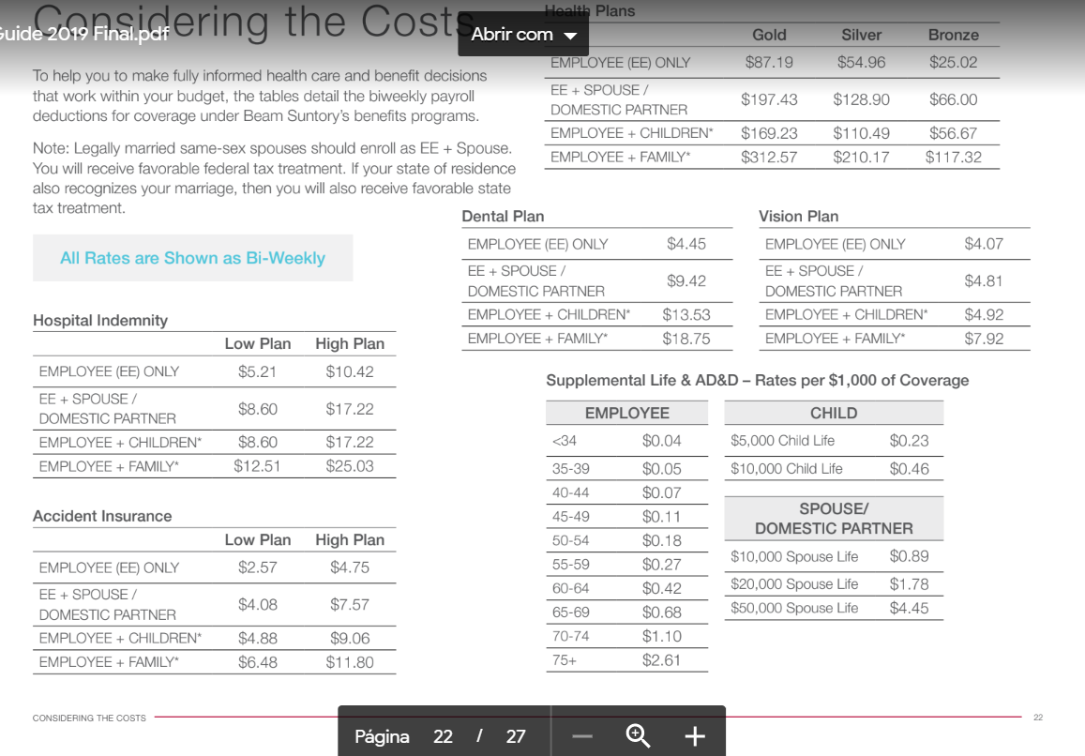
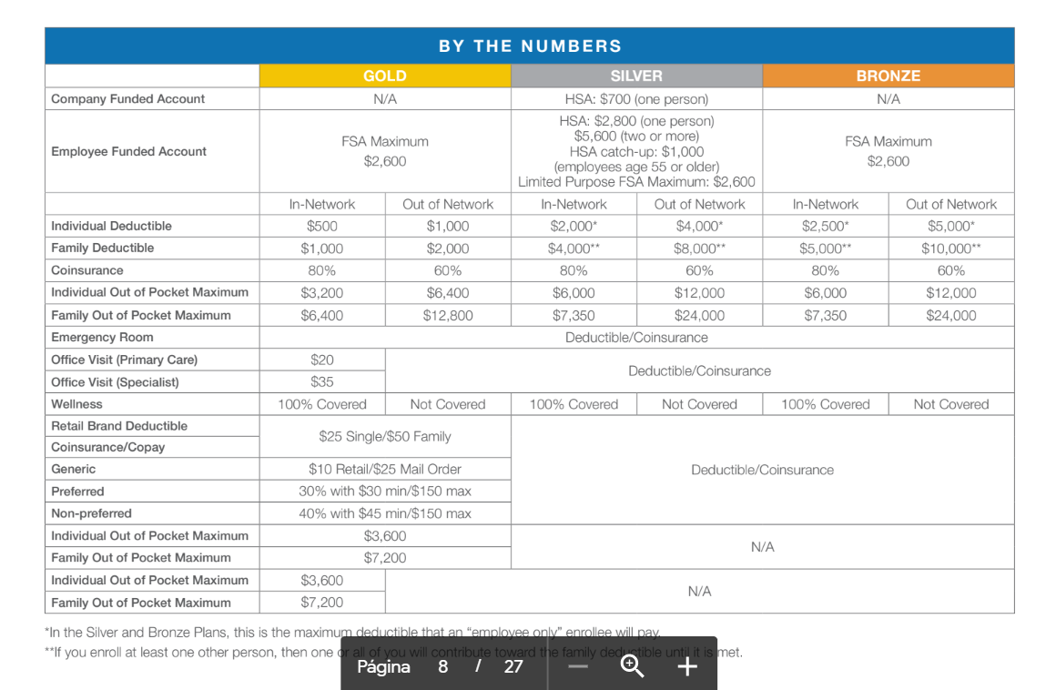
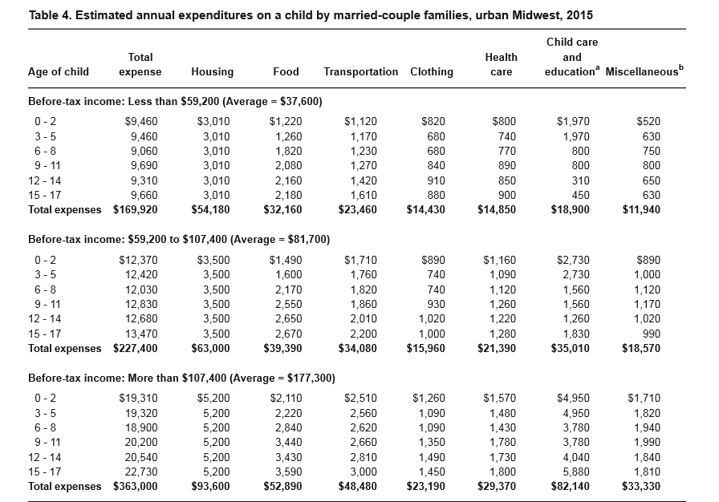
Start work | 2022-08-01 |  |  | 1Kid
Due date | 2021-12-01 |  | 2020 | 2021 | 2022 | 2023 | 2024 | 2025 | 2026 | 2027 | 2028 | 2029 | 2030
 |  |  |  | -1 | 0-2 |  |  | 3-5 |  |  | 6-8
 | 3500 | Rent |  | 0 | 0 | 0 | 0 | 0 | 0 | 0 | 0 | 0 | 0
 |  | Utilities |  | 0 | 0 | 0 | 0 | 0 | 0 | 0 | 0 | 0 | 0
 |  | Cellphone |  | 0 | 0 | 0 | 0 | 0 | 0 | 0 | 0 | 0 | 0
 | 1490 | Food |  | 14 | 173 | 173 | 173 | 186 | 186 | 186 | 253 | 253 | 253
 | 1710 | Transportation |  | 17 | 199 | 199 | 199 | 205 | 205 | 205 | 212 | 212 | 212
 |  | Leisure |  | 0 | 0 | 0 | 0 | 0 | 0 | 0 | 0 | 0 | 0
 |  | Health care |  | 134 | 134 | 134 | 134 | 134 | 134 | 134 | 134 | 134 | 134

 |  | Monthly |  | 165 | 507 | 507 | 507 | 526 | 526 | 526 | 599 | 599 | 599
 |  | Yearly |  | 1,986 | 6,084 | 6,084 | 6,084 | 6,307 | 6,307 | 6,307 | 7,187 | 7,187 | 7,187
 | 890 | Clothing |  | 1,243 | 1,243 | 1,243 | 1,243 | 1033.78 | 1,034 | 1,034 | 1033.78 | 1,034 | 1,034
 | 890 | Misc |  | 1,243 | 1,243 | 1,243 | 1,243 | 1397 | 1,397 | 1,397 | 1564.64 | 1,565 | 1,565
 |  | Child care |  | 2,400 | 13,200 | 13,200 | 13,200 | 13,200 | 13,200 | 13,200 | 4400 | 4,400 | 4,400
 |  | Health care | 5500 | 6600 | 2,000 | 2,000 | 2,000 | 2,000 | 2,000 | 2,000 | 2,000 | 2,000 | 2,000
 |  | Traveling |  |  | 0 | 0 | 0 | 0 | 0 | 0 | 0 | 0 | 0
 |  | IRS |  | -1,000 | -1,000 | -1,000 | -1,000 | -1,000 | -1,000 | -1,000 | -1,000 | -1,000 | -1,000
 |  |  | 5,500 | 12,473 | 22,771 | 22,771 | 22,771 | 22,938 | 22,938 | 22,938 | 15,186 | 15,186 | 15,186

 |  |  |  |  |  |  | Kids | 12 | 2021 |  | 12,473
 |  | Income | 91,322 | 97,490 | 104,276 |  | Kids | 6 | 2022 |  | 22,771
 |  | Extra emily |  |  |  |  | Kids | 6 | 2023 |  | 22,771
 |  | Short | -39,020 | -40,202 | -40,202 |  | Kids | 6 | 2024 |  | 22,771
 |  | Mid | -33,058 | -42,400 | -53,200 |  | Kids | 6 | 2025 |  | 22,938
 |  | Kids | -5,500 | -12,473 | -22,771 |  | Kids | 6 | 2026 |  | 22,938
 |  | Long+Trip | 13,744 | 2,415 | -11,897 |  | Kids | 6 | 2027 |  | 22,938
 |  |  |  |  |  |  | Kids | 6 | 2028 |  | 15,186
 |  |  |  |  |  |  | Kids | 6 | 2029 |  | 15,186
 |  |  |  |  |  |  | Kids | 6 | 2030 |  | 15,186

MBA
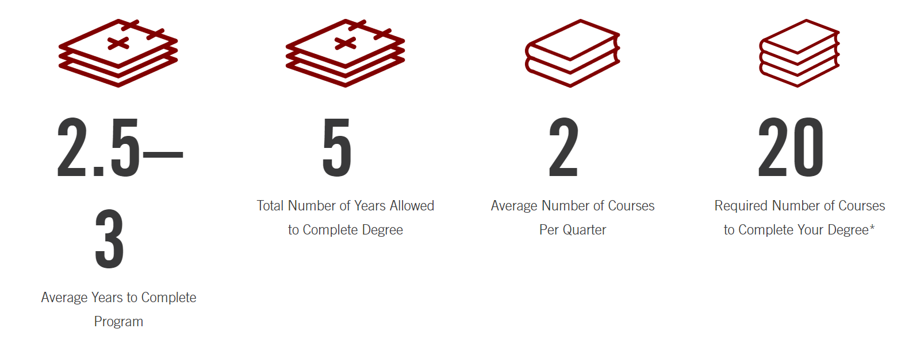
 |  |  |  |  |  |  |  |  | 7,700
 | 2020 | 2021 | 2022 | 2023 |  | Courses | 20 |  | 154,000
 |  | 12,000 | 12,000 | 12,000 |  | Max years | 5 | 4.00 | 30,800
 |  |  | 41,300 | 41,300 |  | Avg | 3 | 6.67 | 51,333
 |  |  |  |  |  | Min | 2 | 10.00 | 77,000
 |  | 12,000 | 53,300 | 53,300
 |  |  |  |  |  |  |  |  | 25666.666667
 |  | 4 | 4 | 6 | 6
 |  | 30,800 | 30,800 | 46,200 | 46,200 |  | 15400 | 15400 | 23100 | 23100
 | 0.5 | 1 | 1 | 1
Budget room | 0 | 12,000 | 53,300 | 53,300 |  |  | 79,000
MBA Gap |  | -18,800 | 22,500 | 7,100 |  |  | 83,533 |  | 120 K | Apartmento proprio
Add. Expenses |  | 0 | 0 | 0 |  |  |  |  | 105 K | Share appartment
 | 2,267 | 4,533 | 4,533 | 4,533
 |  | 0 | 80,333 | 145,267

Rent | 1,800 | 900 | 1,400
Utilities | 192 | 96 | 192
Cellphone | 120 | 60 | 60
Food | 600 | 300 | 400
Transportation | 210 | 105 | 105
Leisure | 250 | 125 | 200 | Gap
Health care | 178 | 89 | 178 | Month | Year
 |  | 1,675 | 2,535 | -860 | -10,321 | 0

